getModel
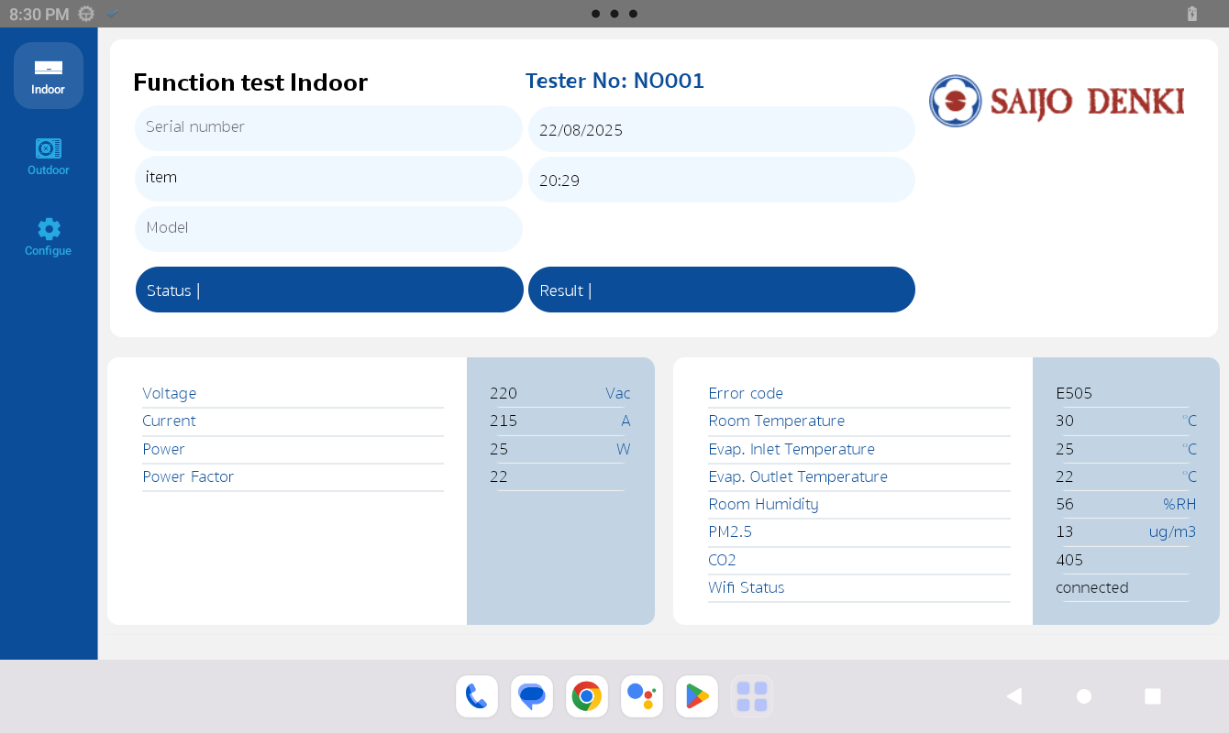
input tester No, serial, item reponse model and start test
getIndoorModel by serial & item
Request
{ testerNo: "" serial: "" item: "" }
Response
{ model: "" }

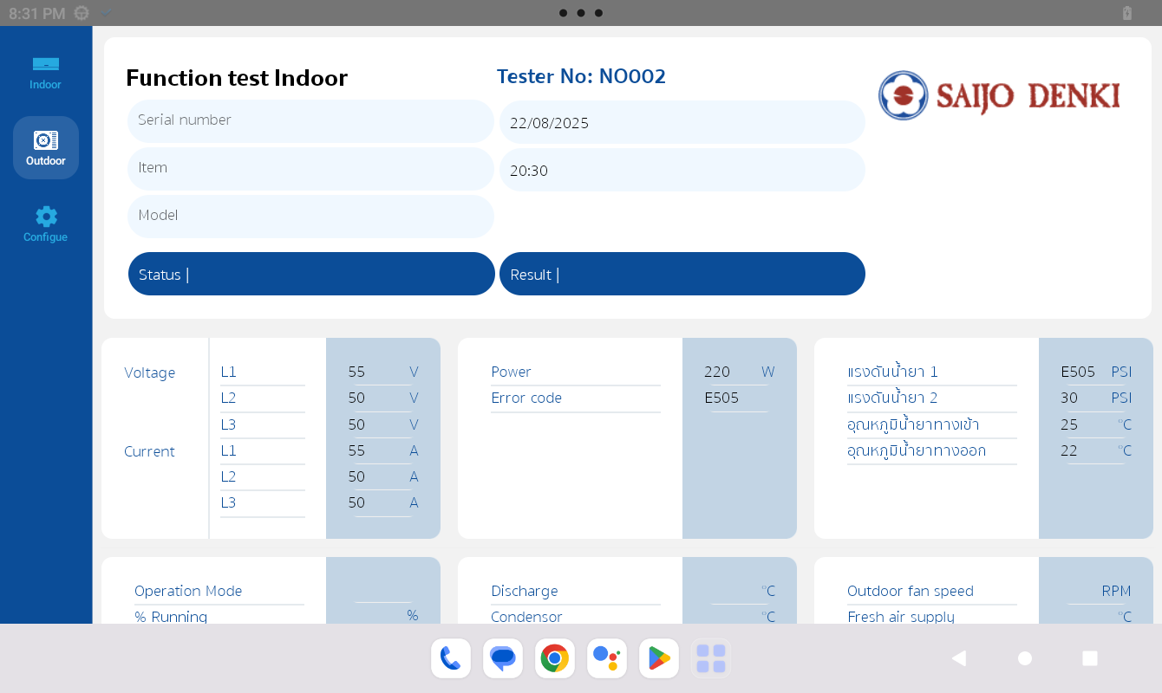
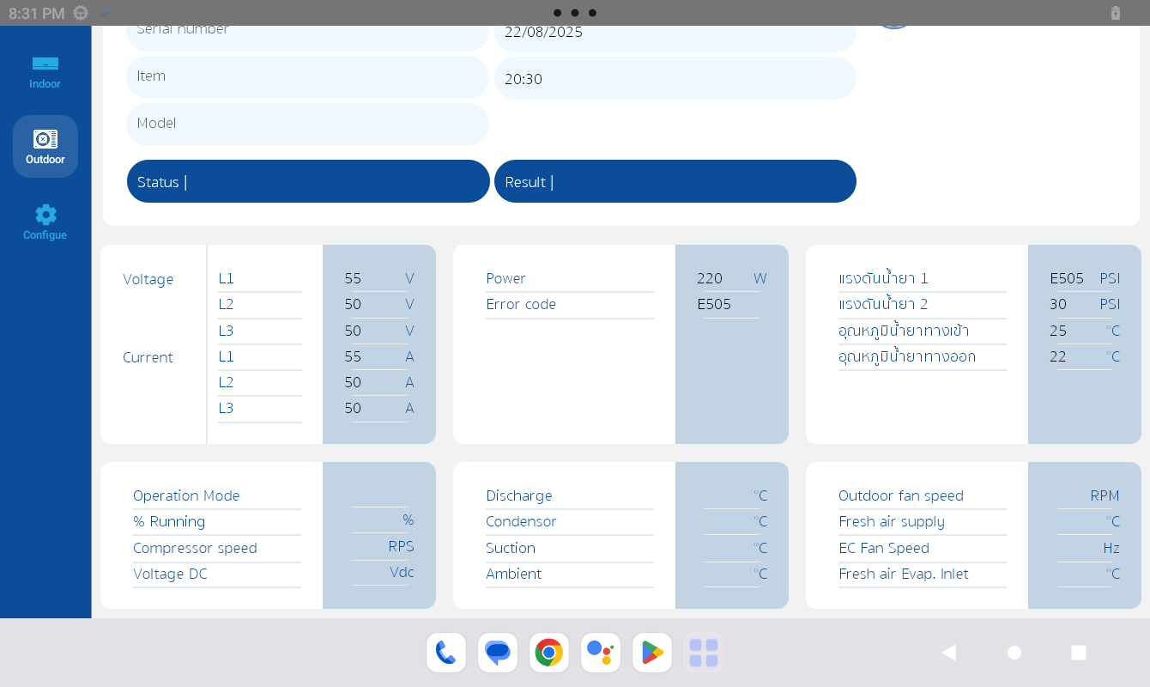
getOutdoorModel by serial & item
Request
{ testerNo: "" serial: "" item: "" }
Response
{ model: "" }

getAllTest
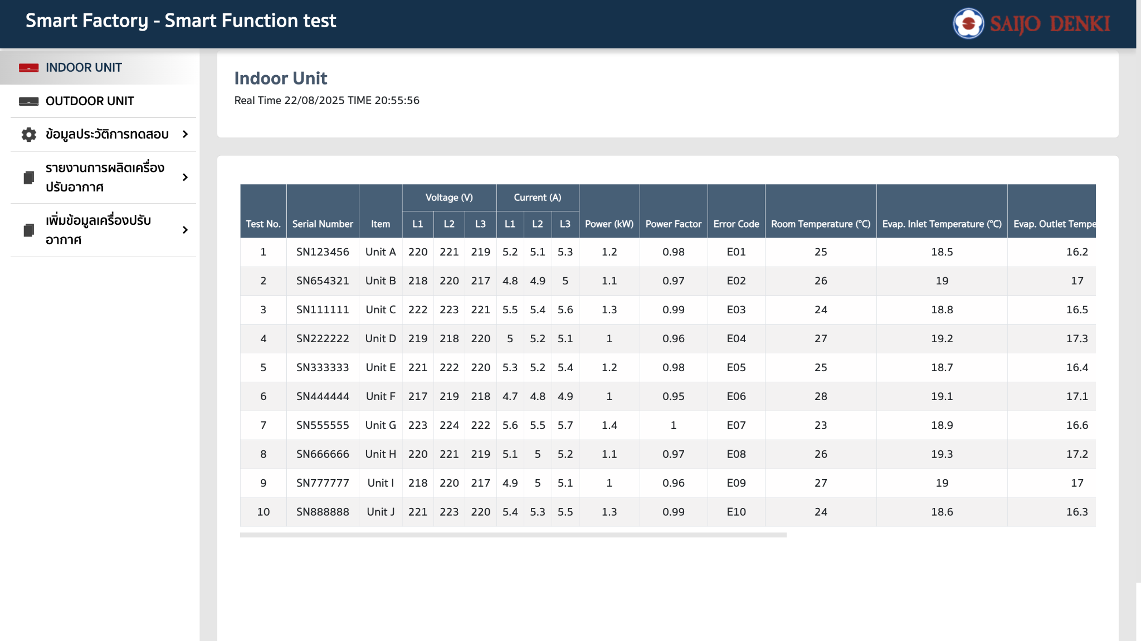
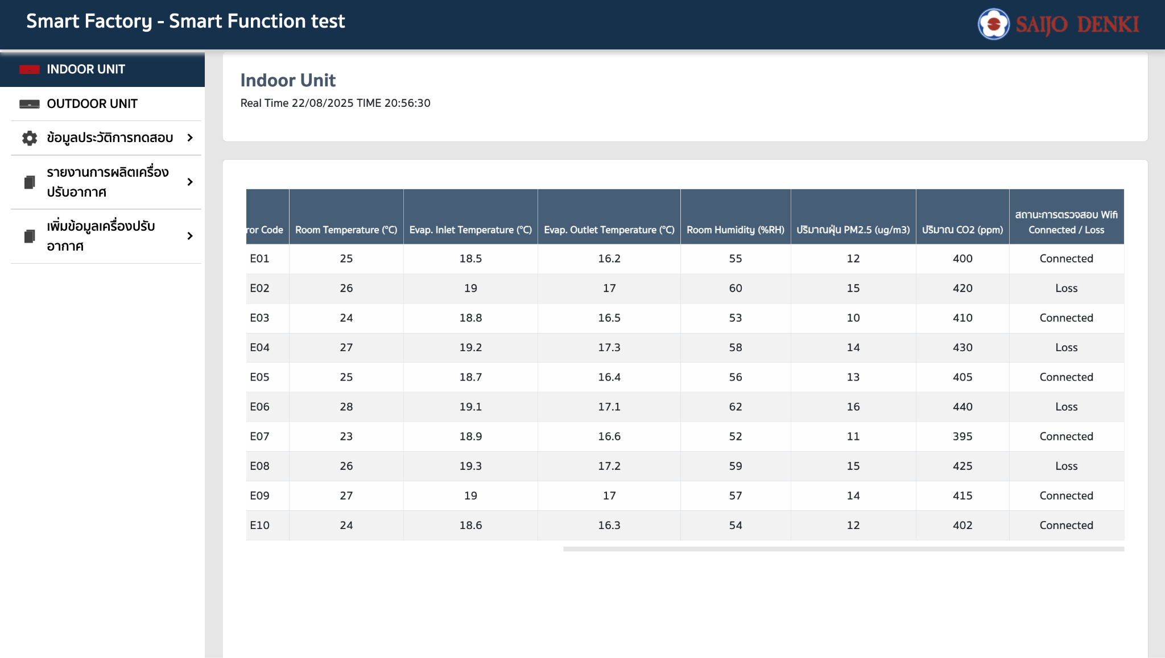
realtime Indoor unit & Outdoor unit
getAllIndoorTest (10 tester No)
Request
{}
Response
[ { serial_number: "SN123456", item: "Unit A", voltage_l1: 220, voltage_l2: 221, voltage_l3: 219, current_l1: 5.2, current_l2: 5.1, current_l3: 5.3, power_kw: 1.2, power_factor: 0.98, error_code: "E01", evap_inlet_temp: 18.5, evap_outlet_temp: 16.2, wifi_status: "connected", room_temp: 25, room_humidity: 55, pm: 12, carbon: 400, }, ]
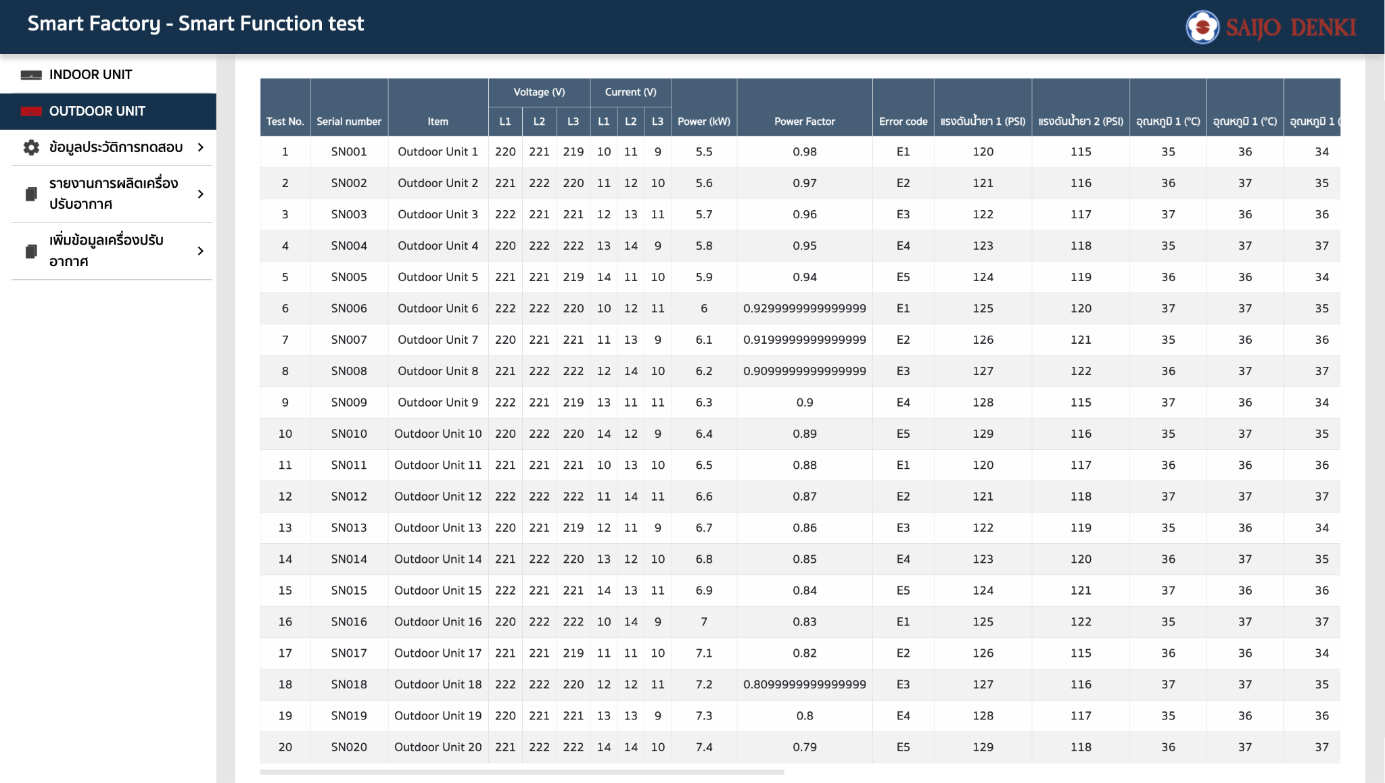
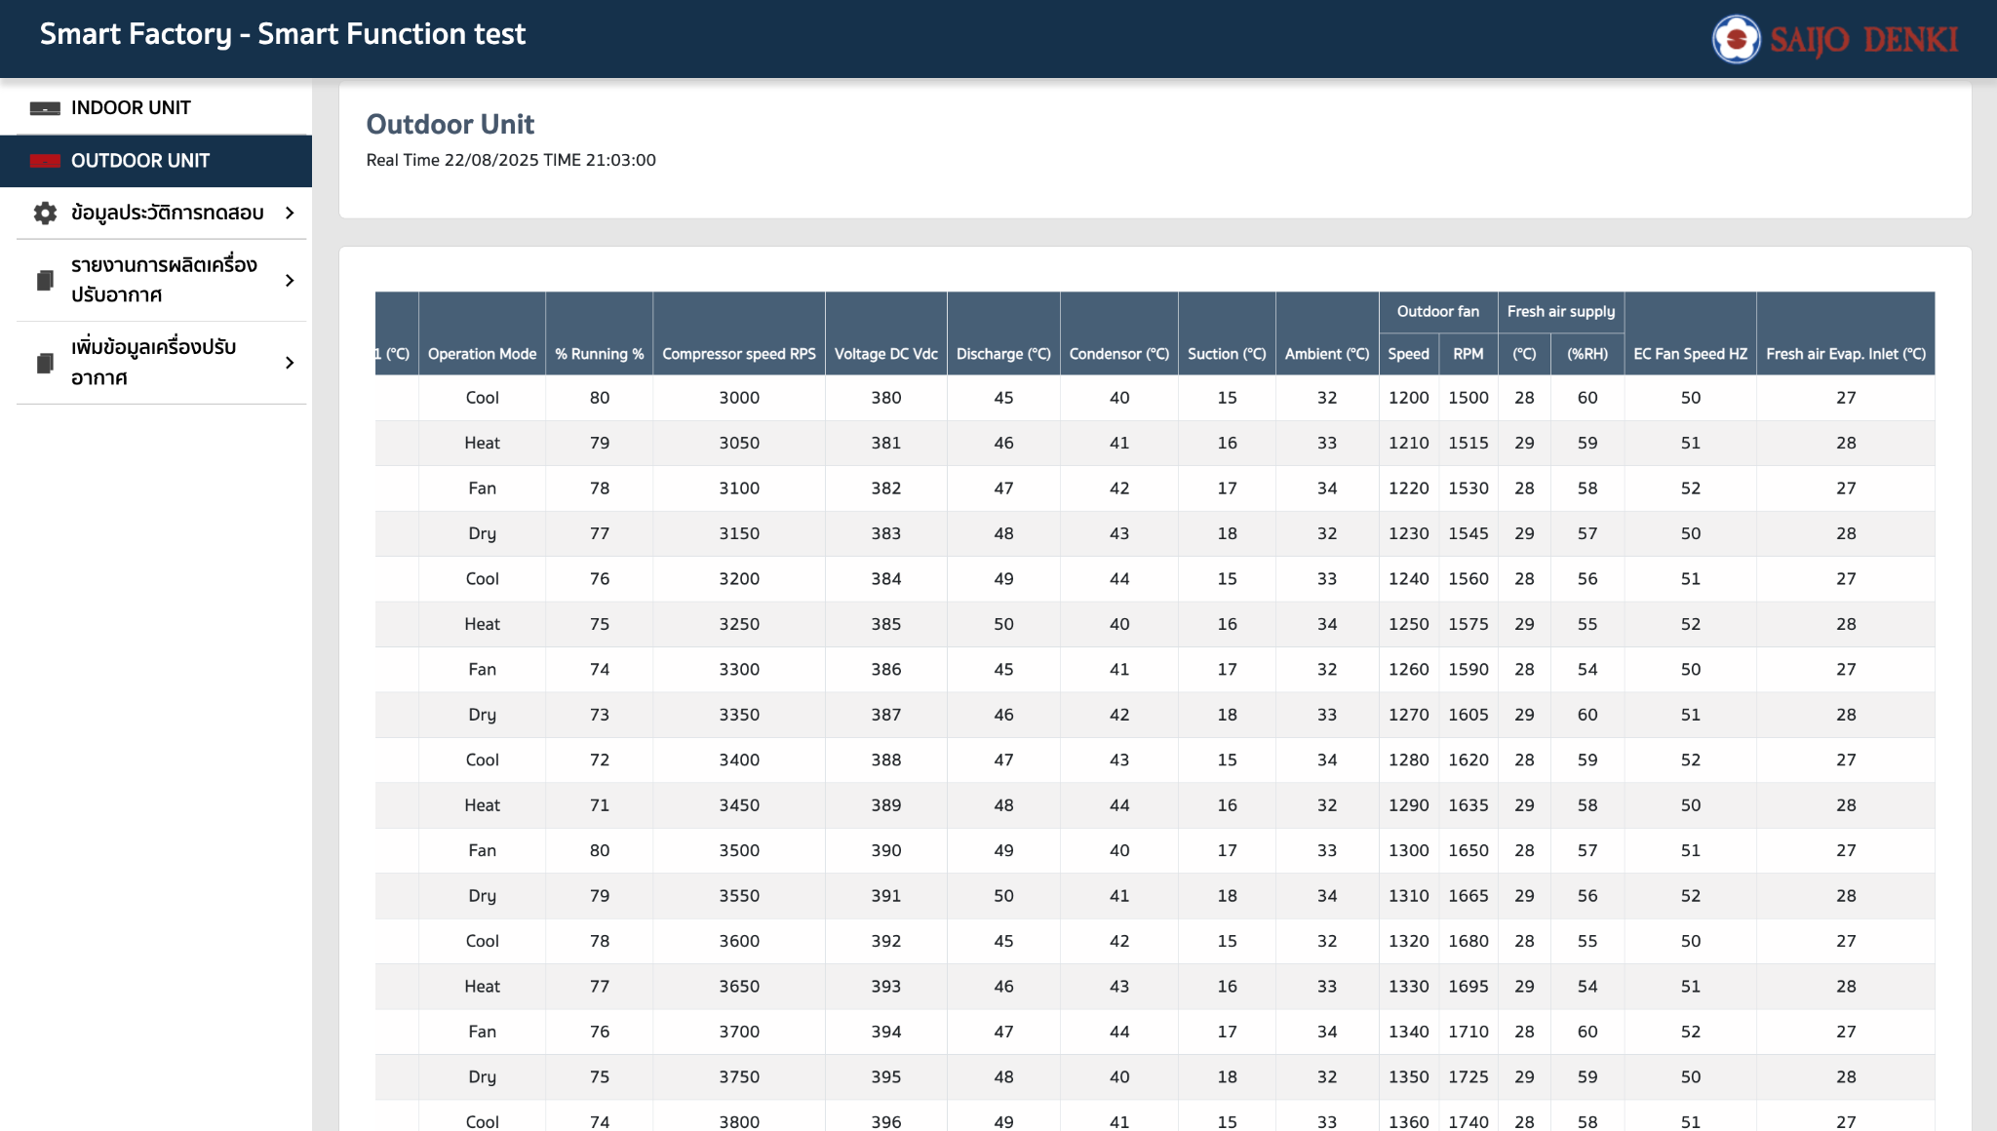
getAllOutdoorTest (20 tester No)
Request
{}
Response
[ { serialNumber: "", item: "", voltageL1: "", voltageL2: "", voltageL3: "", currentL1: "", currentL2: "", currentL3: "", power: "", powerFactor: "", errorCode: "" pressure1: "", pressure2: "", temp1: "", temp2: "", temp3: "", temp4: "", operationMode: "", runningPercent: "", compressorSpeed: "", voltageDC: "", discharge: "", condensor: "", suction: "", ambient: "", outdoorFanSpeed: "", outdoorFanRPM: "", freshAirSupplyTemp: "", freshAirSupplyRH: "", ecFanSpeedHz: "", freshAirEvapInlet: "", }, ]

getTest
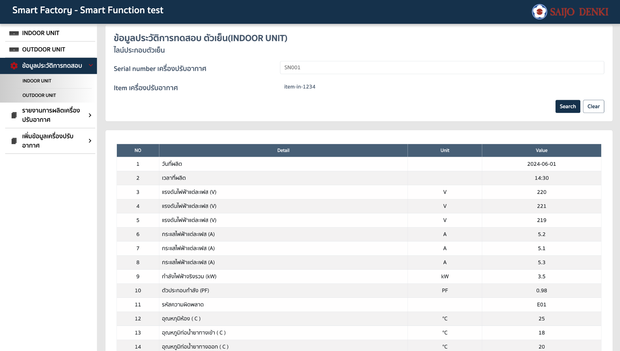
History Indoor & Outdoor test
getIndoorTestBySerial
Request
{ serial: "" }
Response
{ date: "", time: "", item: "", voltage_l1: "", voltage_l2: "", voltage_l3: "", current_l1: "", current_l2: "", current_l3: "", power_kw: "", power_factor: "", error_code: "", evap_inlet_temp: "", evap_outlet_temp: "", wifi_status: "", room_temp: "", room_humidity: "", pm: "", carbon: "", },
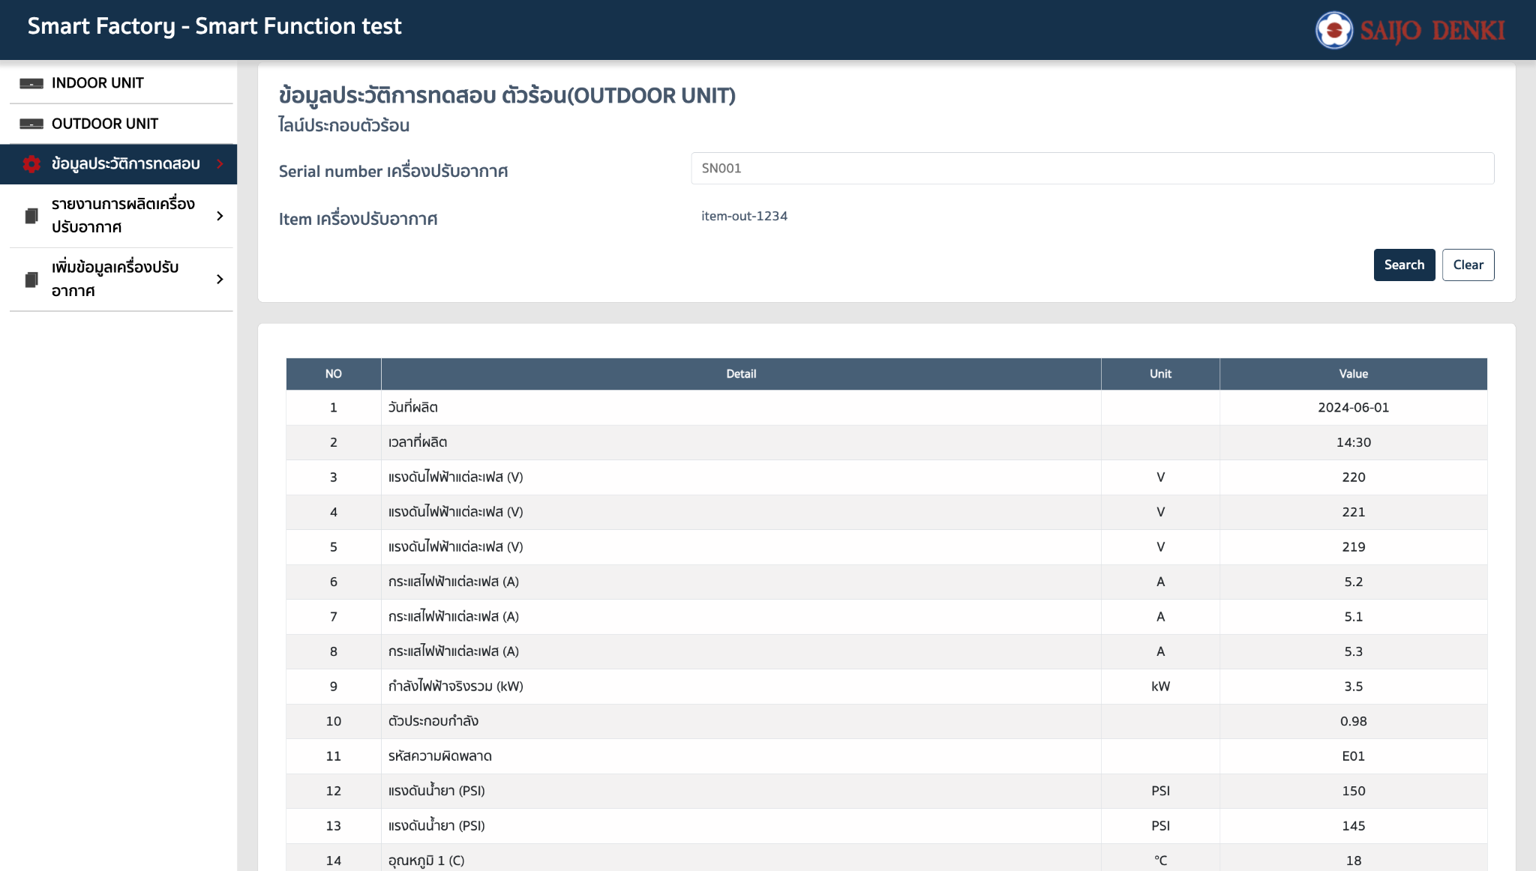
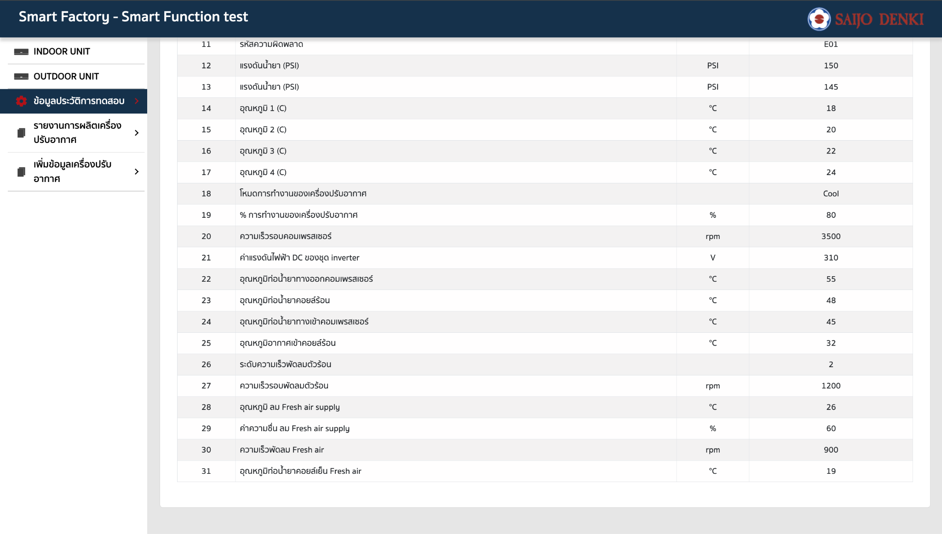
getOutdoorTestBySerial
Request
{}
Response
{ date: "", time: "", item: "", voltageL1: "", voltageL2: "", voltageL3: "", currentL1: "", currentL2: "", currentL3: "", power: "", powerFactor: "", errorCode: "" pressure1: "", pressure2: "", temp1: "", temp2: "", temp3: "", temp4: "", operationMode: "", runningPercent: "", compressorSpeed: "", voltageDC: "", discharge: "", condensor: "", suction: "", ambient: "", outdoorFanSpeed: "", outdoorFanRPM: "", freshAirSupplyTemp: "", freshAirSupplyRH: "", ecFanSpeedHz: "", freshAirEvapInlet: "", }

getAllTestResult
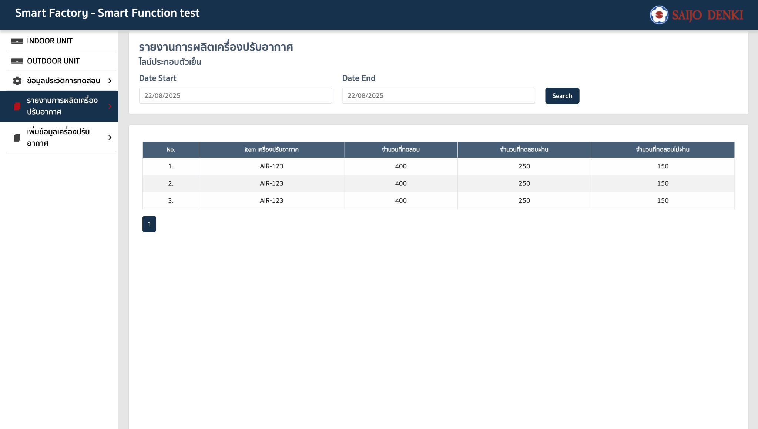
Report Indoor & Outdoor test
getIndoorTestResult by date range
Request
{ dateStart: "", dateEnd: "" }
Response
[ { item: "", sumPass: "", sumFail: "", total: "", }, ]
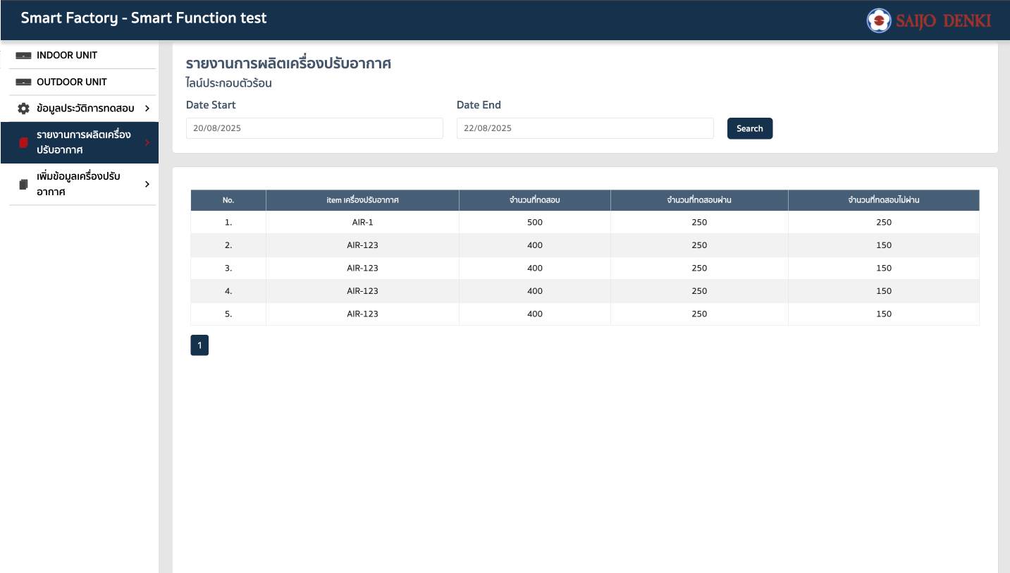
getOutdoorTestResult by date range
Request
{ dateStart: "", dateEnd: "" }
Response
[ { item: "", sumPass: "", sumFail: "", total: "", }, ]

standard
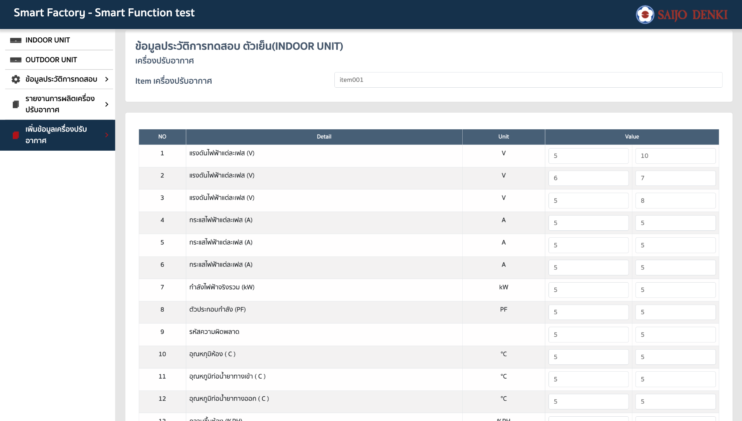
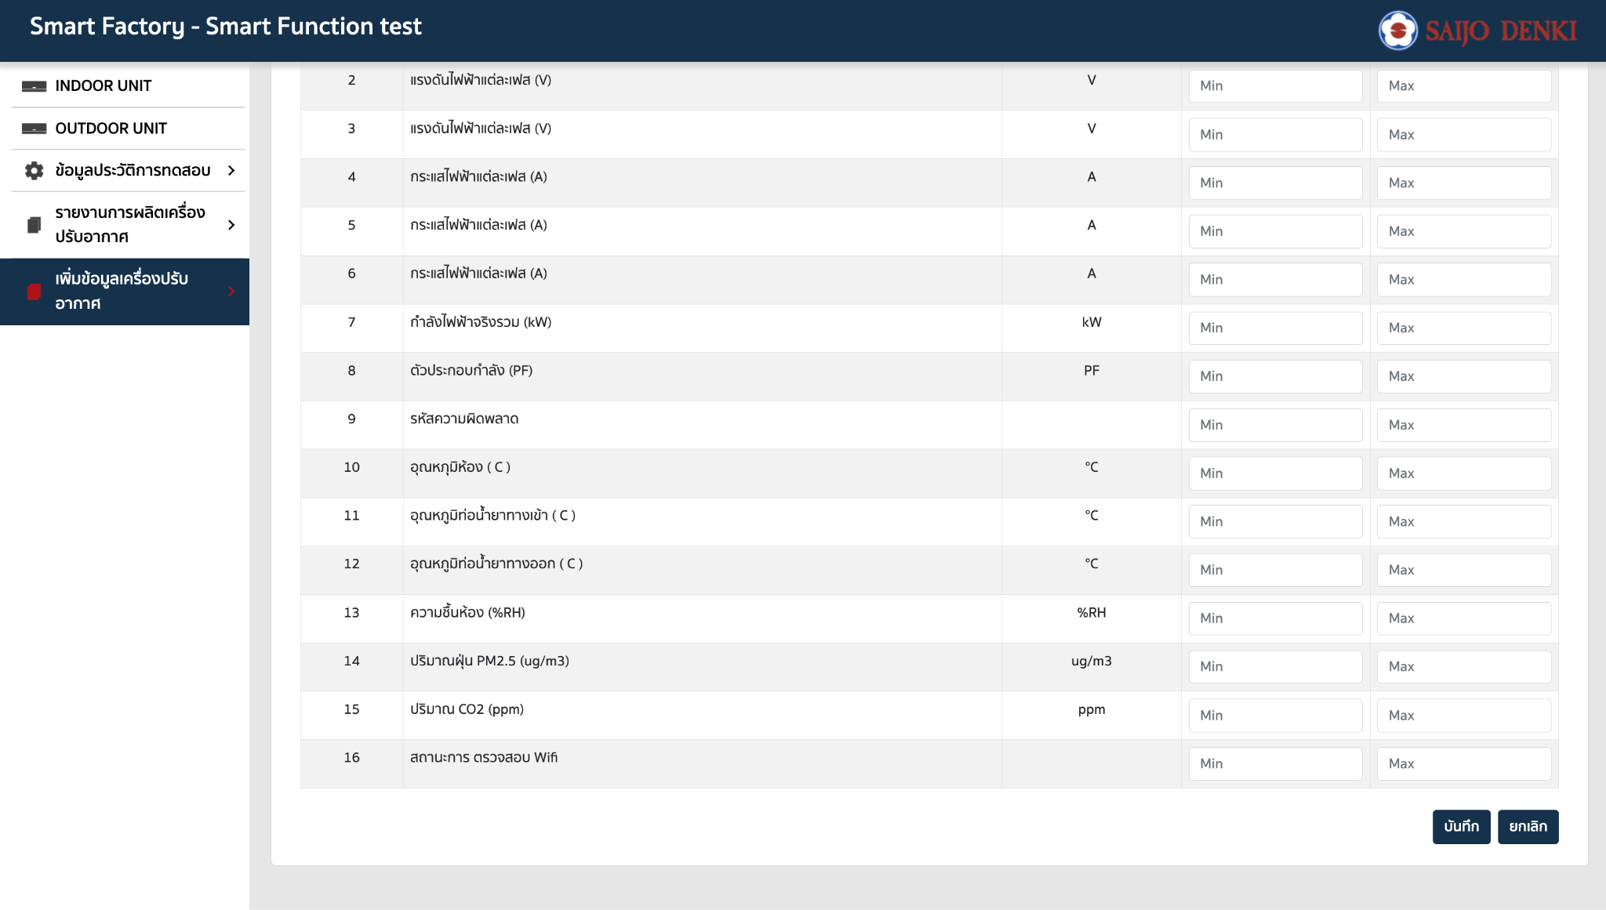
Standard Indoor & Outdoor test
addIndoorStd หลาย item || 1 item
Request
[ { "item": "item001", "voltage1_max": "10", "voltage1_min": "5", "voltage2_max": "7", "voltage2_min": "6", "voltage3_max": "8", "voltage3_min": "5", "current1_max": "5", "current1_min": "5", "current2_max": "5", "current2_min": "5", "current3_max": "5", "current3_min": "5", "power_max": "5", "power_min": "5", "pf_max": "5", "pf_min": "5", "errorCode_max": "5", "errorCode_min": "5", "roomTemp_max": "5", "roomTemp_min": "5", "pipeInTemp_max": "5", "pipeInTemp_min": "5", "pipeOutTemp_max": "5", "pipeOutTemp_min": "5", "humidity_max": "5", "humidity_min": "5", "pm25_max": "5", "pm25_min": "5", "co2_max": "5", "co2_min": "5", "wifiStatus_max": "5", "wifiStatus_min": "5" }, { "item": "item002", "voltage1_max": "10", "voltage1_min": "11", "voltage2_max": "12", "voltage2_min": "13", "voltage3_max": "14", "voltage3_min": "15", "current1_max": "16", "current1_min": "17", "current2_max": "18", "current2_min": "19", "current3_max": "20", "current3_min": "21", "power_max": "22", "power_min": "23", "pf_max": "24", "pf_min": "25", "errorCode_max": "26", "errorCode_min": "27", "roomTemp_max": "28", "roomTemp_min": "29", "pipeInTemp_max": "30", "pipeInTemp_min": "31", "pipeOutTemp_max": "32", "pipeOutTemp_min": "33", "humidity_max": "34", "humidity_min": "35", "pm25_max": "36", "pm25_min": "37", "co2_max": "38", "co2_min": "39", "wifiStatus_max": "40", "wifiStatus_min": "41" } ]
Response
success

getIndoorStd by item
Request
{ "item": "item001", }
Response
{ "voltage1_max": "10", "voltage1_min": "5", "voltage2_max": "7", "voltage2_min": "6", "voltage3_max": "8", "voltage3_min": "5", "current1_max": "5", "current1_min": "5", "current2_max": "5", "current2_min": "5", "current3_max": "5", "current3_min": "5", "power_max": "5", "power_min": "5", "pf_max": "5", "pf_min": "5", "errorCode_max": "5", "errorCode_min": "5", "roomTemp_max": "5", "roomTemp_min": "5", "pipeInTemp_max": "5", "pipeInTemp_min": "5", "pipeOutTemp_max": "5", "pipeOutTemp_min": "5", "humidity_max": "5", "humidity_min": "5", "pm25_max": "5", "pm25_min": "5", "co2_max": "5", "co2_min": "5", "wifiStatus_max": "5", "wifiStatus_min": "5" }

updateIndoorStd
Request
{ "item": "item001", "voltage1_max": "10", "voltage1_min": "5", "voltage2_max": "7", "voltage2_min": "6", "voltage3_max": "8", "voltage3_min": "5", "current1_max": "5", "current1_min": "5", "current2_max": "5", "current2_min": "5", "current3_max": "5", "current3_min": "5", "power_max": "5", "power_min": "5", "pf_max": "5", "pf_min": "5", "errorCode_max": "5", "errorCode_min": "5", "roomTemp_max": "5", "roomTemp_min": "5", "pipeInTemp_max": "5", "pipeInTemp_min": "5", "pipeOutTemp_max": "5", "pipeOutTemp_min": "5", "humidity_max": "5", "humidity_min": "5", "pm25_max": "5", "pm25_min": "5", "co2_max": "5", "co2_min": "5", "wifiStatus_max": "5", "wifiStatus_min": "5" }
Response
success

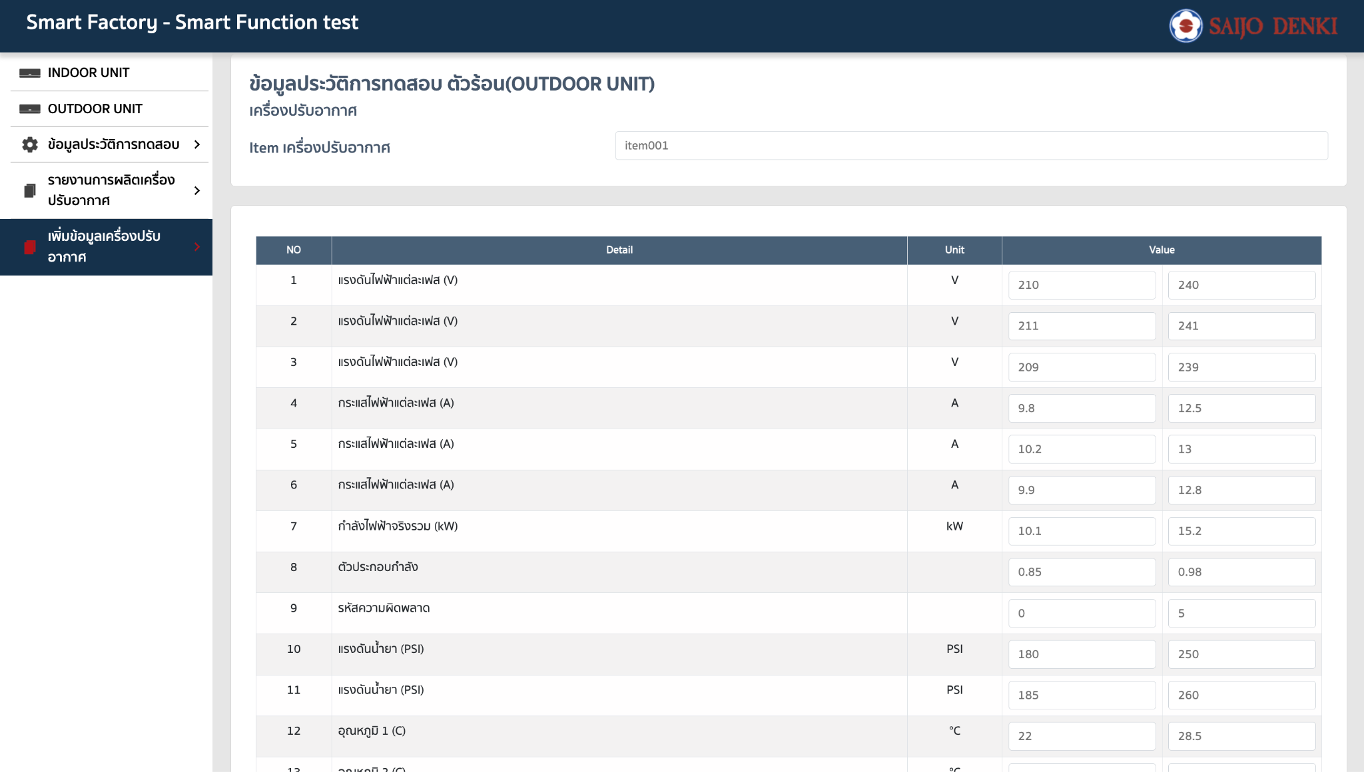
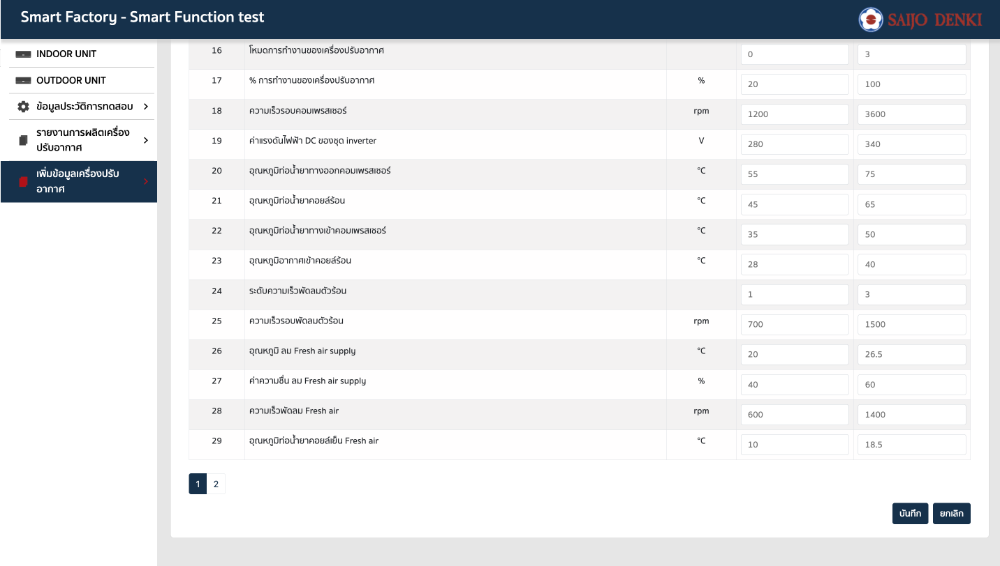
addOutdoorStd หลาย item || 1 item
Request
[ { "item": "item001", "voltage1_max": "240", "voltage1_min": "210", "voltage2_max": "241", "voltage2_min": "211", "voltage3_max": "239", "voltage3_min": "209", "current1_max": "12.5", "current1_min": "9.8", "current2_max": "13", "current2_min": "10.2", "current3_max": "12.8", "current3_min": "9.9", "power_max": "15.2", "power_min": "10.1", "pf_max": "0.98", "pf_min": "0.85", "errorCode_max": "5", "errorCode_min": "0", "refrigerantPressure1_max": "250", "refrigerantPressure1_min": "180", "refrigerantPressure2_max": "260", "refrigerantPressure2_min": "185", "temp1_max": "28.5", "temp1_min": "22", "temp2_max": "29", "temp2_min": "23", "temp3_max": "30.2", "temp3_min": "24.5", "temp4_max": "31", "temp4_min": "25", "acMode_max": "3", "acMode_min": "0", "acPercent_max": "100", "acPercent_min": "20", "compressorRpm_max": "3600", "compressorRpm_min": "1200", "inverterDcVolt_max": "340", "inverterDcVolt_min": "280", "compressorPipeOutTemp_max": "75", "compressorPipeOutTemp_min": "55", "condenserPipeTemp_max": "65", "condenserPipeTemp_min": "45", "compressorPipeInTemp_max": "50", "compressorPipeInTemp_min": "35", "condenserAirInTemp_max": "40", "condenserAirInTemp_min": "28", "condenserFanLevel_max": "3", "condenserFanLevel_min": "1", "condenserFanRpm_max": "1500", "condenserFanRpm_min": "700", "freshAirSupplyTemp_max": "26.5", "freshAirSupplyTemp_min": "20", "freshAirSupplyHumidity_max": "60", "freshAirSupplyHumidity_min": "40", "freshAirFanRpm_max": "1400", "freshAirFanRpm_min": "600", "freshAirEvapPipeTemp_max":
Response
success

getOutdoorStd by item
Request
{ "item": "item001", }
Response
{ "voltage1_max": "240", "voltage1_min": "210", "voltage2_max": "241", "voltage2_min": "211", "voltage3_max": "239", "voltage3_min": "209", "current1_max": "12.5", "current1_min": "9.8", "current2_max": "13", "current2_min": "10.2", "current3_max": "12.8", "current3_min": "9.9", "power_max": "15.2", "power_min": "10.1", "pf_max": "0.98", "pf_min": "0.85", "errorCode_max": "5", "errorCode_min": "0", "refrigerantPressure1_max": "250", "refrigerantPressure1_min": "180", "refrigerantPressure2_max": "260", "refrigerantPressure2_min": "185", "temp1_max": "28.5", "temp1_min": "22", "temp2_max": "29", "temp2_min": "23", "temp3_max": "30.2", "temp3_min": "24.5", "temp4_max": "31", "temp4_min": "25", "acMode_max": "3", "acMode_min": "0", "acPercent_max": "100", "acPercent_min": "20", "compressorRpm_max": "3600", "compressorRpm_min": "1200", "inverterDcVolt_max": "340", "inverterDcVolt_min": "280", "compressorPipeOutTemp_max": "75", "compressorPipeOutTemp_min": "55", "condenserPipeTemp_max": "65", "condenserPipeTemp_min": "45", "compressorPipeInTemp_max": "50", "compressorPipeInTemp_min": "35", "condenserAirInTemp_max": "40", "condenserAirInTemp_min": "28", "condenserFanLevel_max": "3", "condenserFanLevel_min": "1", "condenserFanRpm_max": "1500", "condenserFanRpm_min": "700", "freshAirSupplyTemp_max": "26.5", "freshAirSupplyTemp_min": "20", "freshAirSupplyHumidity_max": "60", "freshAirSupplyHumidity_min": "40", "freshAirFanRpm_max": "1400", "freshAirFanRpm_min": "600", "freshAirEvapPipeTemp_max": "18.5", "freshAirEvap

updateOutdoorStd
Request
{ "item": "item001", "voltage1_max": "240", "voltage1_min": "210", "voltage2_max": "241", "voltage2_min": "211", "voltage3_max": "239", "voltage3_min": "209", "current1_max": "12.5", "current1_min": "9.8", "current2_max": "13", "current2_min": "10.2", "current3_max": "12.8", "current3_min": "9.9", "power_max": "15.2", "power_min": "10.1", "pf_max": "0.98", "pf_min": "0.85", "errorCode_max": "5", "errorCode_min": "0", "refrigerantPressure1_max": "250", "refrigerantPressure1_min": "180", "refrigerantPressure2_max": "260", "refrigerantPressure2_min": "185", "temp1_max": "28.5", "temp1_min": "22", "temp2_max": "29", "temp2_min": "23", "temp3_max": "30.2", "temp3_min": "24.5", "temp4_max": "31", "temp4_min": "25", "acMode_max": "3", "acMode_min": "0", "acPercent_max": "100", "acPercent_min": "20", "compressorRpm_max": "3600", "compressorRpm_min": "1200", "inverterDcVolt_max": "340", "inverterDcVolt_min": "280", "compressorPipeOutTemp_max": "75", "compressorPipeOutTemp_min": "55", "condenserPipeTemp_max": "65", "condenserPipeTemp_min": "45", "compressorPipeInTemp_max": "50", "compressorPipeInTemp_min": "35", "condenserAirInTemp_max": "40", "condenserAirInTemp_min": "28", "condenserFanLevel_max": "3", "condenserFanLevel_min": "1", "condenserFanRpm_max": "1500", "condenserFanRpm_min": "700", "freshAirSupplyTemp_max": "26.5", "freshAirSupplyTemp_min": "20", "freshAirSupplyHumidity_max": "60", "freshAirSupplyHumidity_min": "40", "freshAirFanRpm_max": "1400", "freshAirFanRpm_min": "600", "freshAirEvapPipeTemp_max": "1
Response
success

